dummydata
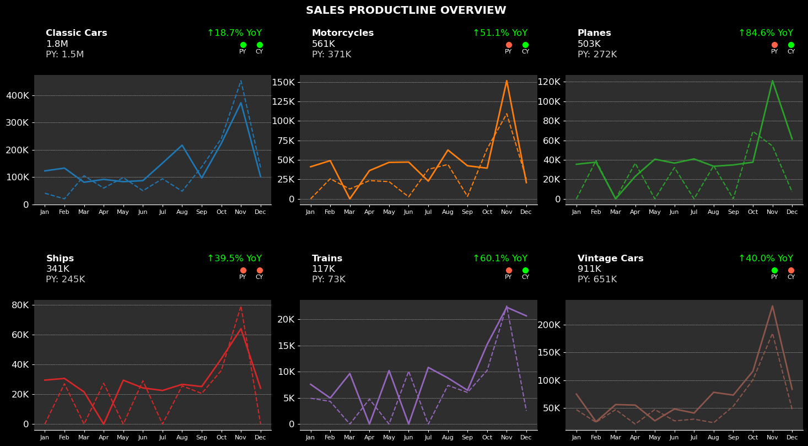
Years | Months | Classic Cars | Motorcycles | Planes | Ships | Trains | Vintage Cars
2023 | Jan | $41,192 |  |  |  | $4,934 | $46,827
2023 | Feb | $20,464 | $25,784 | $39,205 | $27,050 | $4,330 | $24,002
2023 | Mar | $105,027 | $12,639 |  |  |  | $46,931
2023 | Apr | $59,874 | $23,476 | $36,563 | $27,399 | $4,756 | $20,750
2023 | May | $98,179 | $22,097 |  |  |  | $47,034
2023 | Jun | $50,257 | $2,642 | $32,116 | $29,045 | $10,071 | $26,583
2023 | Jul | $94,056 | $37,924 |  |  |  | $29,652
2023 | Aug | $48,407 | $44,165 | $33,938 | $25,607 | $7,375 | $23,285
2023 | Sep | $137,667 | $3,156 |  | $20,564 | $6,035 | $53,046
2023 | Oct | $241,145 | $64,236 | $69,181 | $35,980 | $10,234 | $100,603
2023 | Nov | $452,924 | $109,346 | $54,133 | $79,175 | $22,523 | $184,673
2023 | Dec | $135,594 | $25,432 | $7,121 |  | $2,545 | $47,601
2024 | Jan | $122,792 | $41,201 | $35,454 | $29,480 | $7,583 | $74,917
2024 | Feb | $133,035 | $49,067 | $37,660 | $30,612 | $4,968 | $25,042
2024 | Mar | $81,144 |  |  | $21,577 | $9,642 | $55,981
2024 | Apr | $91,816 | $36,269 | $23,033 |  |  | $55,030
2024 | May | $83,382 | $46,849 | $40,656 | $29,421 | $10,199 | $26,749
2024 | Jun | $87,163 | $47,237 | $36,650 | $24,230 |  | $47,986
2024 | Jul | $151,237 | $22,774 | $40,915 | $22,533 | $10,802 | $40,712
2024 | Aug | $216,896 | $62,705 | $33,414 | $26,643 | $8,793 | $78,139
2024 | Sep | $97,006 | $42,471 | $34,786 | $25,151 | $6,445 | $73,100
2024 | Oct | $223,857 | $39,414 | $37,597 | $43,811 | $15,183 | $116,160
2024 | Nov | $372,232 | $151,712 | $121,131 | $63,901 | $22,271 | $233,990
2024 | Dec | $101,697 | $20,847 | $61,377 | $24,080 | $20,636 | $83,615

Years | Classic Cars | Motorcycles | Planes | Ships | Trains | Vintage Cars
2023 | $130,000 | $400,000 | $300,000 | $250,000 | $100,000 | $600,000
2024 | $150,000 | $500,000 | $450,000 | $350,000 | $100,000 | $1,000,000

